Object Relationships
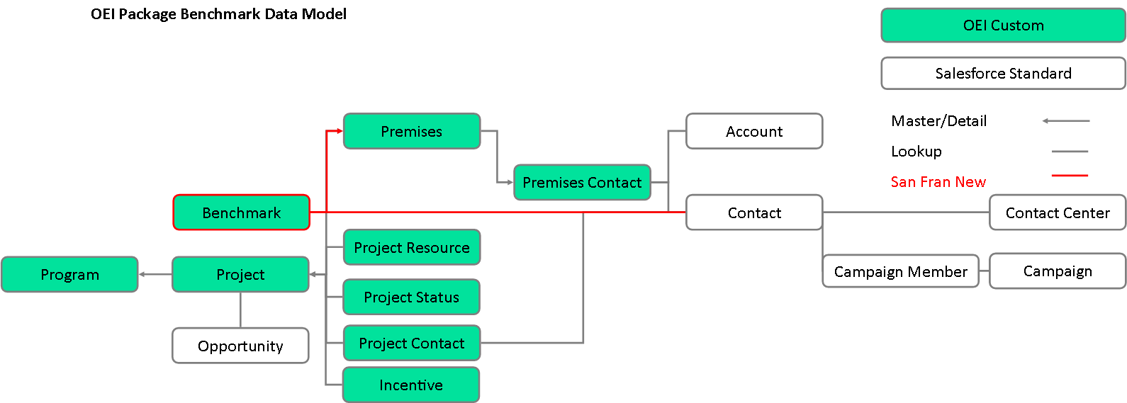
PSD Note: | Client Notes:
SEED Labels: string(255 char limit)
SEED Column: string(512 char limit)

